📣 README
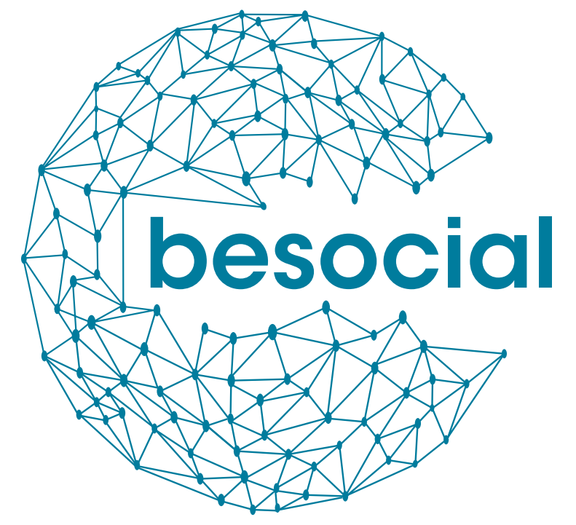    
https://www.kbr.be/en/projects/besocial/
README - social media archiving tools comparison
This spreadsheet has the aim to provide an overview about tools and frameworks for social media archiving, as a variety of open source tools implemented in different programming languages and with different features exist. It is an adapted version of the "Comparison of web archiving software" by the Data Together Initiative which is licensed under CC BY 4.0: https://github.com/datatogether/research/tree/master/web_archiving We kept the table structure with its clear column definitions and added new columns, these definitions can be found in the column definitions sheet; some columns do not apply or are not our main focus and thus we kept them empty for now. The observations sheet contains a description of each tool which also served as basis for several column values in the comparison sheet. Initially we focus on tools which are dedicated social media harvesting tools. Please note that general web archiving tools such as listed in the table of the Data Together initiative may be used to harvest social media data too. However, these tools might require a specific setup to cope with the peculiarities of social media data, hence we initially did not include these tools. Contributions and feedback are welcome and we also envision to contribute results back to the Data Together initiative. This spreadsheet is part of work package 1 of the BeSocial project, the conducted research has been founded by BELSPO, the Belgian Science Policy office. Contact information: - For BeSocial in general: Fien Messens from KBR <fien.messens@kbr.be> - For the tool comparison: Sven Lieber from Ghent University - IDLab <sven.lieber@ugent.be>
 | This spreadsheet and its sheets are licensed under a Creative Commons Attribution 4.0 International License.

